25-FACTORYSP2-150-STD
BIKE CODE FOR ORDERS |  | 25-FACTORY SP2-150-STD | BIKE DESCRIPTION NAME | YCF FACTORY SP2-150 2025 | CONTROL STATUS
EFFECTED DATE(D/M/Y) |  | 4/12/2024 | VERSION | 2025A0
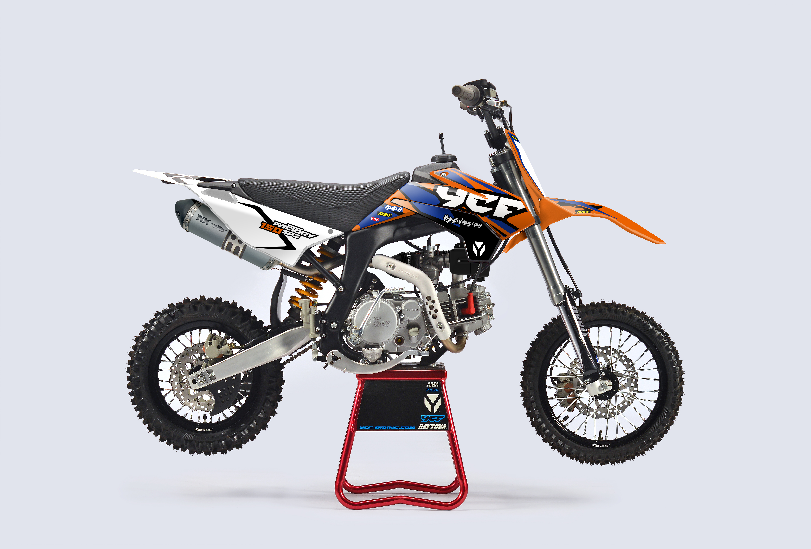
Handle bar assembly |  |  |  |  |  | AB
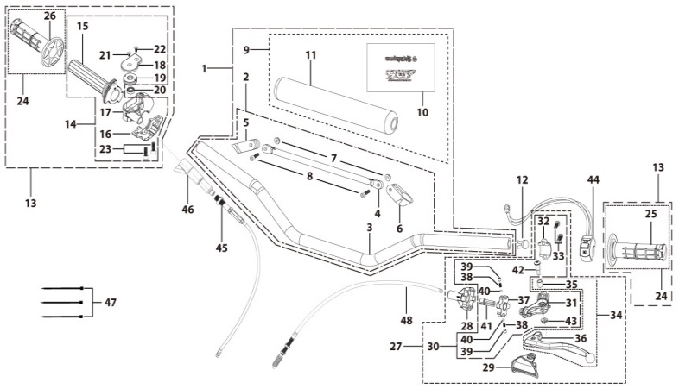
N° | Ref. | Description | Français | Picture | Qty/Bike | Rep. Pst.
1 | GALOW-05-BK | Alumium Handle Bar with bar pad and pvc L=760mm d=22.2mm SP2 Black | Guidon Alumium complet avec Mousse et Pvc L=760mm d=22.2mm SP2 Noir |  | 1
2 | YC110-0101-0701-BK | Aluminium handle bar L=760mm d=22.2 mm SP2, with cross bar, no embossing, Black | Guidon aluminium6061 complet Barre basse L=760mm d=22.2mm avec Barre,Sans Driot Stries,Noir |  | 1
8 | GB70-M6x20 | HEXAGON SOCKET Head Bolt, stainless steel, M6x20mm | Vis Allen (BTR)inox, M6x20mm |  | 2
9 | YC110-0131-03 | Complete Bar Pad for Chromolly Handlebar L=200mm SP2 Black-WHITE | Mousse guidon complete pour guidon Chromolly L=200mm SP2 Noir-BLANC |  | 1
12 | YC110-0153-01 | Handle bar plastic cap,Nylon,Black | Embout plastique de guidon,nylon,Noir |  | 1
13 | YC110-0138-03 | Complete Throttle Assy. (Without adjusting bolts)+set of grip ( YCF LOGO) GREY | Poignee gaz complete YCF 2020 avec Paire de poignée YCF GRIS 2020 |  | 1
21 | GB819-M4x14 | Countersunk cross head machine screw,stainless steel, M4x14mm | Vis à tête fraisée plate cruciforme,inox, M4x14mm |  | 1
22 | GB819-M4x20 | Countersunk cross head machine screw,stainless steel, M4x20mm | Vis à tête fraisée plate cruciforme,inox, M4x20mm |  | 1
23 | GB70-M6x25 | HEXAGON SOCKET Head Bolt, stainless steel, M6x25mm | Vis Allen (BTR)inox, M6x25mm |  | 2
24 | PPC011-GY | set of grip 2020 (YCF LOGO) Grey | Paire de poignée caoutchouc 2020 (YCF LOGO) GRISE |  | 1
27 | YC110-0135-02 | clutch adjustable complete bracket with lever 2020 GREY | Cocotte reglage rapide avec levier embrayage 2020 GRIS |  | 1
28 | YC110-0151-03 | Rubber on clutch lever adjustable screw 2020 | Caoutchouc levier embrayage molette reglage2020 |  | 1
29 | YC110-0136-02 | Rubber on clutch lever adjustable START | Caoutchouc levier embrayage reglable START |  | 1
30 | YC110-0134-04 | Clutch bracket Assy Aluminium 2020 GREY | Cocotte embrayage complete 2020 GRIS |  | 1
33 | BT08-M6x20-W | HEXAGON Torx screw with Flange M6x20mm | Vis HEXAGONALE Torx avec Flange M6x20mm |  | 2
34 | YC110-0103-07 | Clutch lever 2020 Aluminium (with FB13-8x10x10.5-Cu 1EA FB13-8x10x9.4-Cu 1EA FB20-10x16x1 1EA) complete with bushings | Levier embrayage 2020 Aluminium (avec FB13-8x10x10.5-Cu 1EA FB13-8x10x9.4-Cu 1EA FB20-10x16x1 1EA) avec entretoises |  | 1
42 | 27-06025B | Hex.bolt with flanged M6x25mm (Step M8x13mm) | vis M6x25mm (deport M8x13mm) |  | 1
43 | GB6177-06000B | HEXAGON FLAT FLANGE NUT M6 | ecrou cloche embrayage M6 pour Levier embrayage |  | 1
44 | YC110-0105-15 | Kill Switch ON/OFF L=580mm Waterproof | Coupe circuit on off L=580mm ETANCHE |  | 1
45 | YC110-0106 | Throttle Cable L=840mm A+B=120mm | Cable gaz L=840mm A+B=120mm |  | 1
46 | YC110-0143-01 | Rubber on trottle cable | Protection caoutchouc cable de gas |  | 1
47 | YC110-01-03-BK | Cable tie,nylon, L=150mm Black | collier maintien cable, nylon, L=150mm Noir |  | 3
48 | YC110-0107-01 | Clutch Cable Assy. L=920mm A+B=75mm, non-adjustable | Cable embrayage L=920mm A+B=75mm,Non réglable |  | 1
Steering stem assembly |  |  |  |  |  | AB

N° | Ref. | Description | Français | Picture | Qty/Bike | Rep. Pst.
1 | YC110-02-053-BK | Complete Triple Clamp L=160mm Steering stem=233mm SP2 2020 MATT Black | Te Fourche Complet L=160mm colonne direction=233mm SP2 2020 Noir MAT |  | 1
2 | YC110-0201-03 | Steering stem L=233mm | tige colonne direction L=233mm |  | 1
3 | YC110-0202-56-BK | Lower triple clamp L=160mm d48mm H=28mm START/PILOT 2020 MATT Black | té fourche inferieur L=160mm d48mm H=28mm START/PILOT 2020 Noir MAT |  | 1
4 | YC110-0201-56-BK | Top Triple Clamp L=160mm d45mm H=28mm START/PILOT 2022, 3 ADJUSTEBLE POSITIONS,MATT Black | té fourche supérieur L=160mm d45mm H=28mm START/PILOT 2022, REGLAGE 3 POSITIONS,Noir MAT |  | 1
5 | YC110-0203-035 | Set of Bar mount d22.2mm /H=top 18mm+bottom 55mm START 2020(with GB70-M10x50x1.5W 2EA+BT08-M8x30-W 4EA)Black | jeu pontet guidon d22.2mm /H=supérieur 18mm+inferieur 55mm START 2020(avec GB70-M10x50x1.5W 2EA+BT08-M8x30-W 4EA) Noir |  | 1
6 | YC110-0203-32 | Lower Bar Mount CNC d=22.2mm H=55mm START 2020 Black | Pontet guidon inférieur d=22.2mm H=55mm START 2020 Noir |  | 2
7 | YC110-0201-02 | Top Bar Mout CNC d=22.2 mm H=18mm START 2020 Black | pontet guidon supérieur d=22.2mm H=18mm START 2020 Noir |  | 2
8 | BT08-M6x25-W | HEXAGON Torx screw with Flange M6x25mm | Vis HEXAGONALE Torx avec Flange M6x25mm |  | 8
9 | BT08-M8x30-W | HEXAGON Torx screw with Flange M8x30mm | Vis HEXAGONALE Torx avec Flange M8x30mm |  | 4
10 | GB70-M10x50x1.5-W | HEXAGON SOCKET Head Bolt,steel, M10x50mmx1.5mm | Vis Allen (BTR),acier, M10x50mmx1.5mm |  | 2
11 | YC110-0212-07-OR | Front Number Plate 2025 complete ORANGE | PLAQUE AVANT 2025 complete ORANGE |  | 1
13 | BT08-M6x12-W | HEXAGON Torx screw with Flange M6x12mm | Vis HEXAGONALE Torx avec Flange M6x12mm |  | 1
14 | GB97-d6-W | Flat washer,steel d6mm | Rondelle plate,acier d6mm |  | 1
15 | GBT5787-M6x16-6-W | Hex. Bolt with flanged M6x16mm (step 6mm) steel | Vis avec epaulement M6x16mm (deport 6mm) acier |  | 1
16 | YC110-0213-12 | Front plastic plate to hold cables 75mmx80mm | Plaque avant plastique maintien cables 75mmx80mm |  | 1
17 | YC110-0213-08 | Number plate bracket 18mmx55mm START 2014 | support plaque avant 18mmx55mm START 2014 |  | 1
18 | YC110-0214-01-WH | Complete Break Line Retainer (with GB818-M4x10-W 2EA+GB97-d4-W 2EA) White | guide durite avec vis sur plaque avant complet (avec GB818-M4x10-W 2EA+GB97-d4-W 2EA) Blanc |  | 1
20 | GB97-d4-W | Flat washer,steel d4mm | Rondelle plate,acier d4mm |  | 1
21 | GB818-M4x10-W | Pan / Round head cross machine screw M4x10mm | Vis à tête ronde cruciforme M4x10mm |  | 1
22 | KRDIRECTION46 | set of bearing for steering 46/23.5、46/22 | Kit rlt colonne direction 46/23.5、46/22 |  | 1
25 | YC110-02-09 | Top nut for steering,steel, d=54.5mm | écrou crantellé colonne direction steel d=54.5mm |  | 1
26 | YC110-02-10 | Washer for steering stem nut, stainless steel, d22mmxd37mmx0.7mm | joint colonne direction,inox, d22mmxd37mmx0.7mm |  | 1
27 | YC110-02-11 | Nut for steering stem,steel, M22x1.0mm | écrou supérieur colnne direction ,acier, M22x1.0mm |  | 1
28 | YC110-01-08-BK | Cable tie, PA66 L=80mm ADJUSTABLE Black | Collier maintien cable,PA66 L=80mm ADJUSTABLE Noir |  | 2
29 | YC110-02-20 | Washer for steering stem nut d22mm (top)/d24mm (bottom)-d47mm | Joint pour colonne direction d22mm (haut)/d24mm (bas) -d47mm |  | 1
Front Fender |  |  |  |  |  | AB
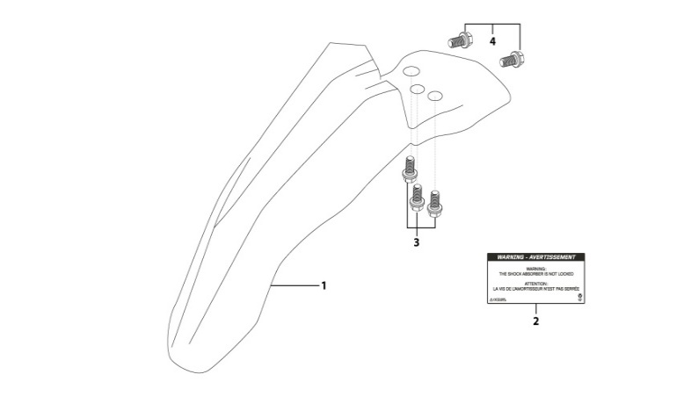
N° | Ref. | Description | Français | Picture | Qty/Bike | Rep. Pst.
1 | YC110-032-02-OR | YCF Front Fender 2020 (Short) ORANGE | GARDE BOUE AVANT 2020 (Court) ORANGE |  | 1
3 | GBT5787-M6x16-6-W | Hex. Bolt with flanged M6x16mm (step 6mm) steel | Vis avec epaulement M6x16mm (deport 6mm) acier |  | 3
4 | GBT5787-M6x16-3-W | HEXAGON screw with Flange with half thread M6x16mmx3mm | Vis HEXAGONALE avec Flange et deport M6x16mmx3mm |  | 2
Front & Rear absorber |  |  |  |  |  | AB
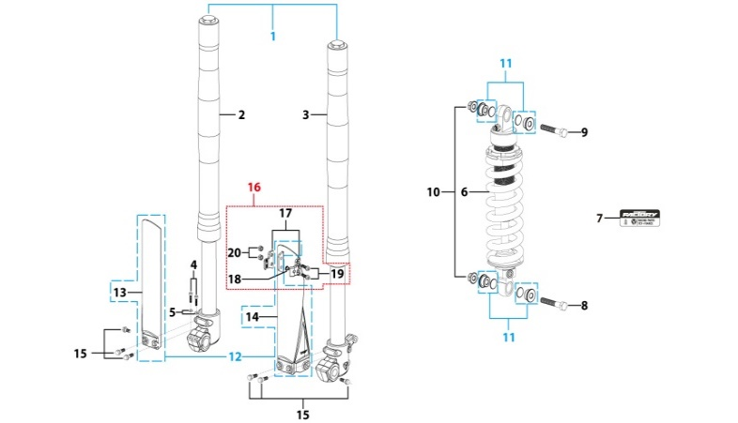
N° | Ref. | Description | Français | Picture | Qty/Bike | Rep. Pst.
1 | YC110-0400-10 | Pair of forks L=735mm ZL（Compression adjustable） GREY | Jeu de fourches L=735mm ZL （compression reglable） GRIS |  | 1
2 | YC110-0401-09 | Front right fork L=735mm SP2 ZL 2013（Compression adjustable） TITAN cylinder, Chrome tube, silver base | Tube fourche droit L=735mm GRIS（compression reglable） 2013 |  | 1
3 | YC110-0402-09 | Front left fork L=735mm SP ZL 2013 TITAN cylinder, Chrome tube, silver base | Tube fourche gauche L=735mm GRIS（compression reglable）2013 |  | 1
4 | GB70-M6x20 | HEXAGON SOCKET Head Bolt, stainless steel, M6x20mm | Vis Allen (BTR)inox, M6x20mm |  | 2
5 | GB93-d6-W | Spring Lock Washers d6mm | Rondelle a ressort d6mm |  | 2
6 | YC110-0404-16 | Shock absorber SP2 330mmx640lbs ZL YELLOW | Amortisseur SP2 330mmx640lbs ZL JAUNE |  | 1
8 | GB5789-M12x45-W-1.25 | HEXAGON screw with Flange M12x1.25x45mm | Vis HEXAGONALE avec Flange M12x1.25x45mm |  | 1
9 | GB5789-M12x60-W-1.25 | HEXAGON screw with Flange M12x1.25x60mm | Vis HEXAGONALE avec Flange M12x1.25x60mm |  | 1
10 | GB6183-M12x1.25-Cr | Flanged nylon lock nut M12x1.25 Blue nylon chrome plated | Nylon de verrouillage en flange M12x1.25 Nylon Bleu Nylon |  | 2
11 | YC110-0419-03 | Shock bottom spacer ENGI d12mmxd14mmx6x11mm (same for top/bottom) | Entretoise amortisseurbas / haut ENGI d12mmxd14mmx6x11mm |  | 4
12 | PFYCF12-BK | 735mm set of fork protection PP L=285mm Black | 735mm Jeu protection fourche PP L=285mm Noir |  | 1
15 | GBT5787-M6x14-5-W | Hex. Bolt with flanged M6x14mm (step 5 mm) steel | Vis avec epaulement M6x14mm (deport 5 mm ) acier |  | 6
16 | YC110-0403-05 | Complete Oil steel line retainer on left front fork PP START Black | Complet Passe durite sur protection fourche gauche PP START Noir |  | 1
19 | BT08-M6x20-W | HEXAGON Torx screw with Flange M6x20mm | Vis HEXAGONALE Torx avec Flange M6x20mm |  | 2
20 | GB6170-M6-W | HEXAGON Nut M6mm steel | Ecrou HEXAGONAL M6mm acier |  | 2
Front Brake Assy |  |  |  |  |  | AB
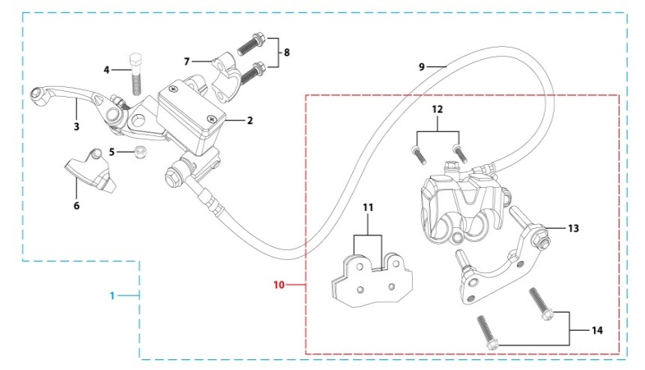
N° | Ref. | Description | Français | Picture | Qty/Bike | Rep. Pst.
1 | YC110-0501-2101 | Front brake assy 2 pumps L=1110mm d10mm/d10mm w/t asbestos | Kit frein avant 2 pistons avec gaine plastic Noire L=1110mm d10/10 sans amiante |  | 1
2 | YC110-0501-0104-03 | Front Brake Reservoir for 2 pump piston d10mm PILOT 2020 | Maitre cylindre frein avant pour étrier 2 pistons d10mm PILOT 2020 |  | 1
3 | YC110-0517-01 | Front brake lever for 2 pump brake adjustable | levier frein ajustable |  | 1
4 | HB06-M6x30-G | Hex.bolt with flanged M6x30mm (Step M8x15mm) front front brake lever | vis M6x30mm (deport M8x15mm) |  | 1
5 | GB6184-M6-G | HEXAGON FLAT NYLON LOCK NUT M6-G | Ecrou HEXAGONAL autobloquant nylon M6-G |  | 1
6 | YC110-0515-01 | rubber for brake lever | caoutchouc levier frein avant |  | 1
8 | BT08-M6x20-W | HEXAGON Torx screw with Flange M6x20mm | Vis HEXAGONALE Torx avec Flange M6x20mm |  | 2
9 | YC110-0501-0326 | Front brake oil steel line L=1110mm d10mm/d10mm Black 2020 | Durite frein avant L=1110mm d10mm/d10mm Noir 2020 |  | 1
10 | YC110-0501-0207 | Front Brake caliper for 2 pump w/t abestos d10mm | étrier frein avant double pistons sans amiante d10mm |  | 1
11 | YC110-0501-0416 | Front Brake pads for double pump brake with copper substrate SP3 | jeu plaquette frein avant pour frein 2 pistons SANS AMIANTE SP3 |  | 2
12 | YC110-0555-01 | caliper screw for front brake L=55mm Army green | vis plaquette frein avant L=55mm |  | 1
13 | YC110-0501-037 | Bracket for front brake SP2/SP3 | Patte frein avant etrier SP2/SP3 |  | 1
14 | BT08-M6x35-W | HEXAGON Torx screw with Flange M6x35mm | Vis HEXAGONALE Torx avec Flange M6x35mm |  | 4
Front Wheel Assy |  |  |  |  |  | AB
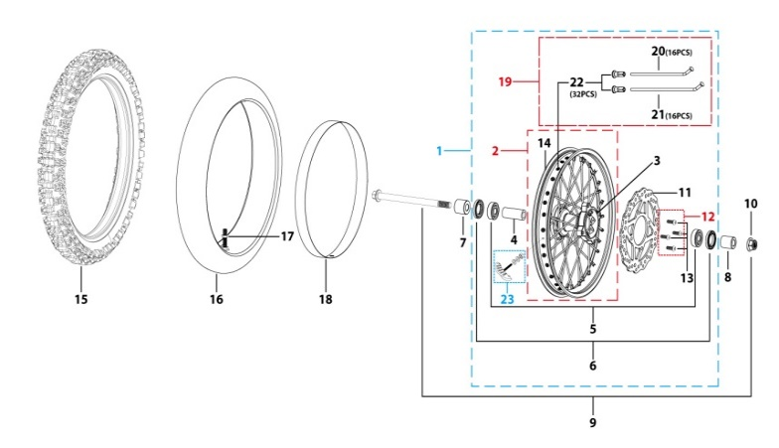
N° | Ref. | Description | Français | Picture | Qty/Bike | Rep. Pst.
1 | YC110-0601-22-BK | Complete ALUMINIUM Front wheel 1.4x 14' with disk CNC hub Black / Black Rim 2021 (SPOKES 4 mm - 8K) | Roue avant complète ALUMINIUM 1.4x14' avec disque moyeux CNC Noir / Jante Noir 2021 (RAYONS 4 mm -8K) |  | 1
3 | YC110-0622-22-BK | YCF Front hub CNC YCF 2024 Black (SPOKES 4 mm - 8K) | Moyeux avant CNC YCF Noir 2024 (RAYONS 4 mm -8K) |  | 1
4 | YC110-0607-03 | Front axle bushing d17mmxd22mmx46mm | Entretoise central roue avant d17mmxd22mmx46mm |  | 1
5 | 6003 | Ball bearing NTN 6003 d35mmxd17mmx10mm | Roulement roue NTN 6003 d35mmxd17mmx10mm |  | 2
6 | YC110-0611 | OIL SEAL d23mmxd35mmx5mm | joint spy roue d23mmxd35mmx5mm |  | 2
7 | YC110-06-048 | Front wheel spacer right, Aluminium d15mmxd22mmx37mm with STEP d15mmxd17mmx14mm And d15mmx19.4mmx4mm Black | Entretoise roue avant droite,Aluminium d15mmxd22mmx37mm avec epaulement d15mmxd17mmx14mm And d15mmx19.4mmx4mm Noir |  | 1
8 | YC110-06-056 | Front wheel spacer left aluminium d15mmxd22mmx47mm with STEP d15mmxd17mmx14mm Black | Entretoise roue avant gauche aluminium d15mmxd22mmx47mm with step d15mmxd17mmx14mm Noir |  | 1
9 | YC110-06-061 | Front Axle d15mm L=215 mm with Self-locking nut M14 | axe de roue avant d15mm L=215 mm avec ecrou M14 |  | 1
10 | GB6187-M14-W | HEXAGON FLAT FLANGE LOCK NUT M14 steel | Ecrou HEXAGONAL avec Flange autobloquant M14 acier |  | 1
11 | YC110-1115-07 | Front disk d220mm (Screw hole d10.5mm) 2020 | disque frein avant d220mm (Trou de vis d10.5mm) 2020 |  | 1
12 | KVD-01 | Disk screws kit (contain GB70.2-M8x20-Cr 4EA) | KIT VIS DISQUE M8x20(lot 4) |  | 1
14 | YC110-1107-16-BK | ALUMINIUM 7116 Rim 1.85x12' Black 8K | cerceau roue 1,85x12' ALUMINIUM 7116 Noir 8K |  | 1
15 | 60/100/14ARRO | Front tyre 60/100/14' ARRO 2015 | pneu avant 60/100/14' ARRO 2015 |  | 1
16 | CHAMBRE14 | Tube for front tire 60/100/14' JUNXI | Chambre air avant 60/100/14 JUN XI |  | 1
18 | YC110-06-01 | tire lining for 14'x20 | fond jante av14'x20 |  | 1
19 | JR14-15.0-8K | set of front spoke 1.40x14' (147mmx24+150mmx8)(4.0mm) | Jeu rayon avant 1.40x14' (147mmx24+150mmx8)(4.0mm) |  | 1
23 | GRIPSTERAV-R | Reinforced gripster - 1.40 | Gripster renforce - 1.40 |  | 1
Fuel Tank |  |  |  |  |  | AB
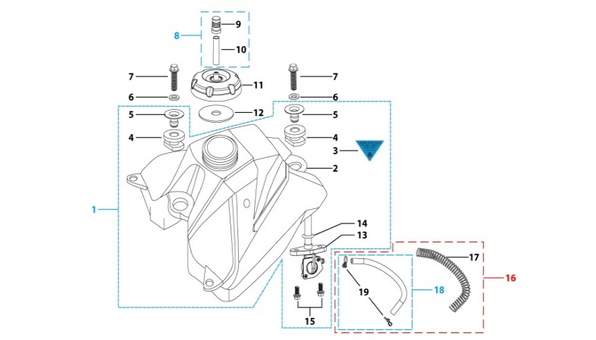
N° | Ref. | Description | Français | Picture | Qty/Bike | Rep. Pst.
1 | YC110-0701-02 | Complete fuel tank suitable for pre bikes START125 2025 with grain (with YC110-07-01 2EA+YC110-07-02 2EA+YC110-1910 1EA) | Reservoir complet (Adaptable pour motos avant) START125 2025 avec finition granulee(with YC110-07-01 2EA+YC110-07-02 2EA+YC110-1910 1EA) |  | 1
6 | GB96-d8-W | Flat washer,steel d8mm | Rondelle plate,acier d8mm |  | 2
7 | BT08-M8x30-W | HEXAGON Torx screw with Flange M8x30mm | Vis HEXAGONALE Torx avec Flange M8x30mm |  | 2
8 | YC125-0704-BK | Fuel tank valve complete L=40mm Black | Valve prise air complete L=40mm Noir |  | 1
11 | YC110-0702-01 | Tank cap plastic Ventilator d3mm | Bouchon reservoir plastique YCF d3mm |  | 1
13 | YC110-0703 | Fuel cock assy. | robinet essence |  | 1
15 | BT08-M6x16-W | HEXAGON Torx screw with Flange M6x16mm | Vis HEXAGONALE Torx avec Flange M6x16mm |  | 2
16 | YC110-0706 | fuel tank rubber line spring d4.5mmxd8.5mmx210mm | durite reservoir avec ressort d4.5mmxd8.5mmx210mm |  | 1
Air Filter |  |  |  |  |  | AB
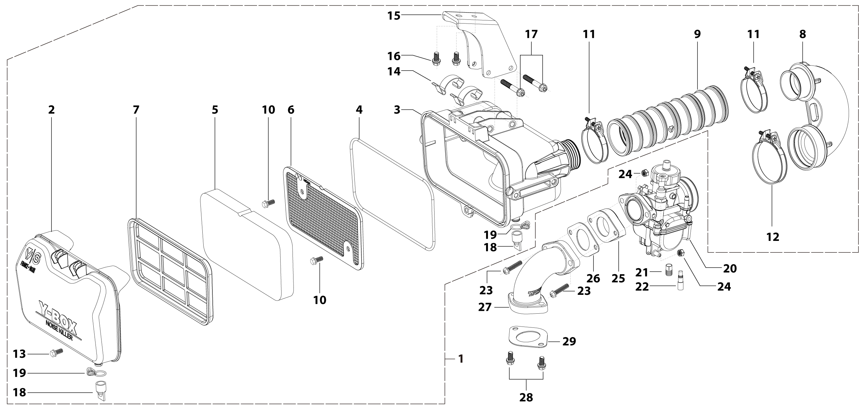
N° | Ref. | Description | Français | Picture | Qty/Bike | Rep. Pst.
1 | YC110-0801-12-BK | YCF Air box complete assembly PPZ20 for SM/PILOT/BIGY/GP/SUNDAY General Black 2025 | Boite a air YCF complete PPZ20 pour SM/PILOT/BIGY/GP/SUNDAY general Noir 2025
5 | YC110-0817-08 | Air filter sponge retardant sponge 179mmx94mmx20mm for YCF air box 2025 | Mousse de filtre ignifuge 179mmx94mmx20mm pour boite a air YCF 2025 |  | 1
8 | YC110-0823-09 | Air box rubber sleeve 90° 2025 | Manchon 90° de boite a air caoutchouc 2025 |  | 1
9 | YC110-0823-10 | Air box connection rubber sleeve 2025 can shrink | Manchon de boite à air caoutchouc 2025 |  | 1
10 | GB5787-M6x12-W | HEXAGON screw with Flange M6x12mm steel | Vis HEXAGONALE avec Flange M6x12mm acier |  | 2
11 | YC110-0805-05 | HOSE CLAMP d46mm KIZ | COLLIER DE SERRAGE FILTRE d46mm KIZ |  | 2
12 | YC110-0805-06 | HOSE CLAMP d54mm RS | COLLIER DE SERRAGE FILTRE d54mm RS |  | 1
13 | GB5787-M6x12-W | HEXAGON screw with Flange M6x12mm steel | Vis HEXAGONALE avec Flange M6x12mm acier |  | 1
15 | YC110-0825-0304-BK | Air filter mounting bracket Q235 59.7mmx23.8mmx35mm SP 2025 Black | Support de filtre à air Q235 59.7mmx23.8mmx35mm SP 2025 Noir |  | 1
16 | BT08-M6x16-W | HEXAGON Torx screw with Flange M6x16mm | Vis HEXAGONALE Torx avec Flange M6x16mm |  | 2
17 | GB5789-M6x45-W | HEXAGON screw with Flange M6x45mm | Vis HEXAGONALE avec Flange M6x45mm |  | 2
20 | PE24SP | NIBBI Carburetor PE24SP | NIBBI Carburetor PE24SP |  | 1
21 | LK-PE-112 | Main Jet 112 PE Nibbi | Gicleur principal 112 PE Nibbi |  | 1
22 | LK-FLK-40 | Slow Jet 40 FLK Nibbi | Gicleur ralenti 40 FLK Nibbi |  | 1
23 | BT08-M6x35-W | HEXAGON Torx screw with Flange M6x35mm | Vis HEXAGONALE Torx avec Flange M6x35mm |  | 2
24 | GB6170-M6-W | HEXAGON Nut M6mm steel | Ecrou HEXAGONAL M6mm acier |  | 2
25 | F00C039 | carburettor isolating gasket d27.5mm | joint plastique carburateur d27.5mm |  | 1
26 | 17332 | carburettor paper gasket d28mm | joint papier carburateur d28mm |  | 1
27 | 17311-6-01 | Inlet pipe bending In order to install 2025 empty filter B125/B150/BF150E/SP2 Engine mounting surface d=10mm | Pipe admission pour 2025 sur filtre vide B125/B150/BF150E/SP2 Plaque de montage moteur d=10mm |  | 1
28 | BT08-M6x20-W | HEXAGON Torx screw with Flange M6x20mm | Vis HEXAGONALE Torx avec Flange M6x20mm |  | 2
29 | 17332/152FMH01 | Intake Gasket | JT PAPIER PIPE ADMISSION |  | 1
Foot Peg assy |  |  |  |  |  | AB
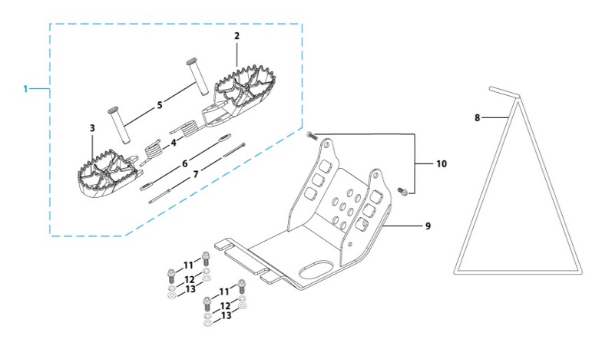
N° | Ref. | Description | Français | Picture | Qty/Bike | Rep. Pst.
1 | YC110-0902-05 | Inox foot pegs set Large | Jeu repose pied inox Large |  | 1
4 | YC110-0906 | Spring for inox foot peg (left/right) d2mmxd16mmx35mm | ressort repose pied (droit/gauche) inox d2mmxd16mmx35mm |  | 2
5 | GB882-d8x45 | shaft pin for inox footpegs d8mmx45mm | axe repose pied inox d8mmx45mm |  | 2
6 | GB97-d8-W | Flat washer,steel d8mm | Rondelle plate,acier d8mm |  | 2
7 | GB91-d2x25-W | Split pin d2.0mmx25mm | Goupille d2.0mmx25mm |  | 2
8 | YC110-190-01 | Side stand SP Black | Triangle support SP Noir |  | 1
9 | YC110-207-04 | Engine skid plate Steel SP2 2014 T=3mm Black #2 | SABOT ACIER SP2 2014 T=3mm Noir #2 |  | 1
10 | BT08-M6x16-W | HEXAGON Torx screw with Flange M6x16mm | Vis HEXAGONALE Torx avec Flange M6x16mm |  | 2
11 | BT08-M8x25-W | HEXAGON Torx screw with Flange M8x25mm | Vis HEXAGONALE Torx avec Flange M8x25mm |  | 4
12 | GB93-d8-W | Spring Lock Washers d8mm | Rondelle a ressort d8mm |  | 4
13 | GB97-d8-W | Flat washer,steel d8mm | Rondelle plate,acier d8mm |  | 4
Swing Arm assy |  |  |  |  |  | AB
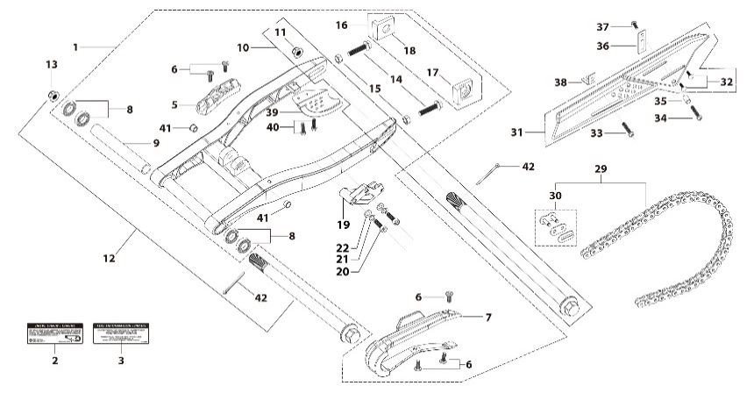
N° | Ref. | Description | Français | Picture | Qty/Bike | Rep. Pst.
1 | YC110-10015-0101 | Mono swing arm Aluminium L=420mm 2025 d12mm (173 mm) CNC with stainless steel plate | Bras oscillant mono Aluminium L=420mm 2025 d12mm (173 mm) CNC avec plaque en acier inoxydable |  | 1
5 | YC110-10-015-BK | Rear brake hose guide 2020 Black | Passe durite de frein arriere sur bras oscillant 2020 Noir |  | 1
6 | DIN7985-M6x16 | Screw M6x16mm inox | Vis M6x16mm inox |  | 5
7 | YC110-10-025 | Chain slider for Steel / Alum swing arm PU PILOT/SP/BIGY/SUNDAY/MINI GP and START/SM125/W88E (360/390 mm) | Patin chaine pour bras Acier / Alu 420/460 mm PU PILOT/SP/BIGY/SUNDAY/MINI GP et START/SM125/W88E (360/390 mm) |  | 1
8 | 6001-NTN | Swing arm ball bearing 6001NTN d12mmxd28mmx8mm | Roulement bras oscillent NTN 6001 d12mmxd28mmx8mm |  | 4
9 | YC110-1007-11 | Central spacer swing arm Aluminium SP d13mmxd20mmx141mm | Entretoise centrale de bras oscillent SP d13mmxd20mmx141mm |  | 1
10 | YC110-11-075 | Rear wheel axle L=230mm d15mm with Self locking nut M14, with d3mm hole | axe roue arriere L=230mm d15mm avec ecrou M14, avec d3mm trou |  | 1
11 | GB6187-M14-W | HEXAGON FLAT FLANGE LOCK NUT M14 steel | Ecrou HEXAGONAL avec Flange autobloquant M14 acier |  | 1
12 | YC110-10-033 | Swing arm shaft with self lock nut M12 L=236mm d12 with hole d3mm | axe bras oscillant d12 avec ecrou M12 L=236mm |  | 1
13 | GB6187-M12-W | HEXAGON FLAT FLANGE LOCK NUT M12mm steel | Ecrou HEXAGONAL avec Flange autobloquant M12mm acier |  | 1
14 | GB5783-M8x40-W | Hexagon Head Bolt with full thread M8 x40mm | Vis a tete HEXAGONALE M8 x40mm |  | 2
15 | FB6170-M8-W | Hex. Nut M8 | ecrou tendeur chaine M8 |  | 2
16 | YC110-11-095-SI | Set of Block axle SPI/SPII/SPIII/BIGY F150Mx/FD190Mx SILVER | Jeu tendeur chaine SPI/SPII/SPIII/BIGY F150Mx/FD190Mx SILVER |  | 1
19 | YC110-1005 | YCF chain guide assy for all models from 2025 | Guide chaine YCF pour tout modèle à partir de 2025 |  | 1
20 | GB70-M8x20 | HEXAGON SOCKET Head Bolt, stainless steel, M8x20mm | Vis Allen (BTR)inox, M8x20mm |  | 2
21 | GB93-d8-W | Spring Lock Washers d8mm | Rondelle a ressort d8mm |  | 2
22 | GB97-d8-W | Flat washer,steel d8mm | Rondelle plate,acier d8mm |  | 2
29 | 420Dx-108T-x | Chain 420Dx-108T extra strong | Chaine KMC 420Dx-108T maillons renforcee |  | 1
30 | AR-420 | Chain link H=17mm | Attache rapide chaine H=17mm |  | 1
31 | YC110-1028-02 | Chain box protection | Protection chaine plastique |  | 1
32 | SC17-M8x20-B | Rivet Plastic Black M8x20mm for Chain box protection | Rivet plastique M8x20 pour fixation de la Protection chaine plastique M8x20mm |  | 2
33 | GB5787-M6x10-W | HEXAGON screw with Flange M6x10mm steel | Vis HEXAGONALE avec Flange M6x10mm acier |  | 1
34 | GB5787-M6x16-W | HEXAGON screw with Flange M6x16mm steel | Vis HEXAGONALE avec Flange M6x16mm acier |  | 1
35 | FB13-7x12x5.5 | Bushing d7mmxd12mmx5.5mm for gearshift tube | Entretoise d7mmxd12mmx5.5mm pour tige de selecteur |  | 1
36 | YC110-0213-0401 | Number plate bracket long TOP 2020 | Support plaque avant 2020 |  | 1
37 | GB818-M6x12-W | Pan / Round head cross machine screw M6x12mm | Vis à tête ronde cruciforme M6x12mm |  | 1
38 | YC110-0600-021 | Chain box protection support (front) | Support avant Protection chaine plastique |  | 1
39 | YC110-1010 | Rear disk protection PILOT Black | Protection de disque arriere PILOT Noir |  | 1
40 | BT08-M6x12-W | HEXAGON Torx screw with Flange M6x12mm | Vis HEXAGONALE Torx avec Flange M6x12mm |  | 2
41 | YC110-1001-021 | Spacer for swing arm d12mmxd16mmxd24mmx10mm | Entretoise bras oscillant/amorto d12mmxd16mmxd24mmx10mm |  | 2
42 | GB91-d2x35-W | Split pin d2mmx35mm | Goupille d2mmx35mm |  | 2
Rear Wheel Assy |  |  |  |  |  | AB
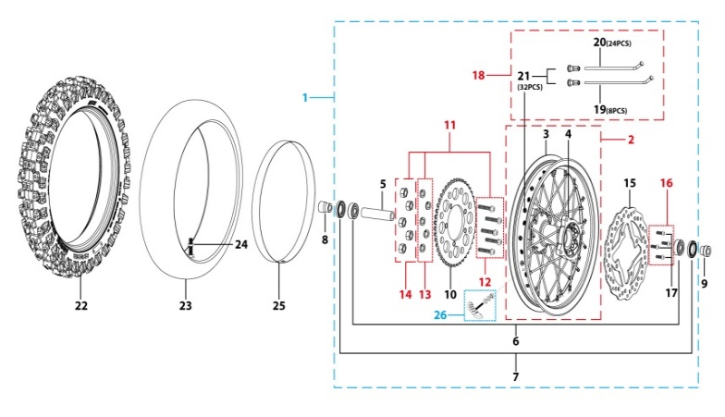
N° | Ref. | Description | Français | Picture | Qty/Bike | Rep. Pst.
1 | YC110-1101-16-BK | Complete ALUMINIUM Rear wheel 1.85x12' with disk and sprocket CNC BLACK hub BIACK Rim 2021 8K | roue arriere complète ALUMINIUM 1.85x12' avec disque et moyeux cnc NOIR / Jante NOIR 2021 8K |  | 1
3 | YC110-1107-16-SI | ALUMINIUM 7116 Rim 1.85x12' Silver 8K | cerceau roue 1,85x12' ALUMINIUM 7116 Silver 8K |  | 1
4 | YC110-1122-16-BK | YCF Rear hub CNC Black 2024 (SPOKES 4 mm - 8K) | Moyeux arriére CNC 2024 Noir (RAYONS 4 mm -8K) |  | 1
5 | YC110-1109-07 | Rear hub axle bushing 6061 d17mmxd25mmx67mm | entretoise intérieur moyeux arrière 6061 d17mmxd25mmx67mm |  | 1
6 | 6003 | Ball bearing NTN 6003 d35mmxd17mmx10mm | Roulement roue NTN 6003 d35mmxd17mmx10mm |  | 3
7 | YC110-0611 | OIL SEAL d23mmxd35mmx5mm | joint spy roue d23mmxd35mmx5mm |  | 2
8 | YC110-11-057 | Rear wheel spacer left 6061 d15mmxd22mmx63mm with step d15mmxd17mmx25mm | Entretoise roue arriere gauche 6061 d15mmxd22mmx63mm step d15mmxd17mmx25mm |  | 1
9 | YC110-11-047 | Rear wheel spacer right d15mmxd22mmx43mm with step d15mmxd17mmx14mm | Entretoise roue arriere droite d15mmxd22mmx43mm step d15mmxd17mmx14mm |  | 1
10 | YC110-11-062/45 | YCF Driven sprocket 420-45T 5 holes | Couronne acier 420-45T YCF 5 trous |  | 1
11 | KVC-2 | Rear sprocket screws kit M8x30mm (set of 5) (BT08-M8x30-W+GB6189-M8-W+GB93-d8-W) | Kit vis fraisees M8x30 (lot de 5) (BT08-M8x30-W+GB6189-M8-W+GB93-d8-W) |  | 1
15 | YC110-1115-06 | Rear disk d200mm d10.5mm 2020 | disque frein arriere d200mm d10.5mm 2020 |  | 1
16 | KVD-01 | Disk screws kit (contain GB70.2-M8x20-Cr 4EA) | KIT VIS DISQUE M8x20(lot 4) |  | 1
18 | JR12-13.5-8K | set of spoke #9 (3,6 mm) 12' (125mmx32) 8K（4.0mm） | jeu rayon arrière #9 (3,6 mm) 12' (125mmx32) 8K（4.0mm） |  | 1
22 | 80/100/12ARRO | Rear tyre 80/100/12 ARRO 2015 | Pneu arriere 80/100/12 ARRO 2015 |  | 1
23 | CHAMBRE12 | Tube for Rear tire 3.00x12' | chambre air 3.00x12' |  | 1
25 | YC110-11-01 | tire lining for 12'x20 | fond jante av12'x20 |  | 1
26 | GRIPSTERAR-R | Reinforced gripster - 1.85 | Gripster renforce - 1.85 |  | 1
REAR BRAKE |  |  |  |  |  | AB
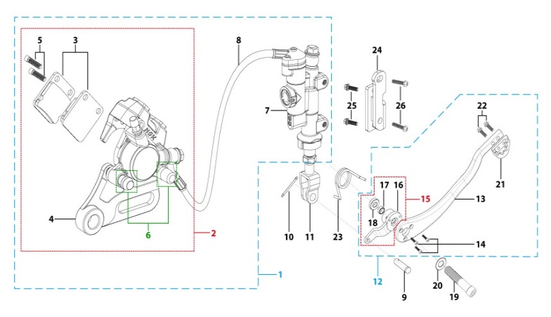
N° | Ref. | Description | Français | Picture | Qty/Bike | Rep. Pst.
1 | YC110-12012-2601 | Rear brake aasy 1 piston d10mm/d10mm L=465mm 2020 | Kit frein arriere 1 piston avec gaine plastic d10mm/d10mm L=465mm SP3 2020 |  | 1
2 | YC110-1201-07 | Rear Caliper 1 pistons d10 | étrier frein arrière 1 piston d10 |  | 1
3 | YC110-1204-02 | Friction pad for 1 piston brake w/t abestos with copper substrate SP2 | plaquette frein arrière 1 piston AMIANTE SP2 |  | 2
4 | YC110-1201-09 | Rear brake bracket SP3 | patte fixation étrier frein arriere SP3 |  | 1
5 | YC110-0555-01 | caliper screw for front brake L=55mm Army green | vis plaquette frein avant L=55mm |  | 2
6 | YC110-120111 | rubber for rear caliper SP2/SP3 | jeu de caoutcgouc d'etrier frein arriere SP2/SP3 |  | 1
7 | YC110-1201024 | Rear reservoir d10mm（with stick L=42.5mm） | maitre cylindre frein arrière avec embout durite d10mm （with stick L=42.5mm） |  | 1
8 | YC110-1201052 | Oil steel tube L=465mm d10mm/d10mm SP2/SP3 2020 oil connection 85° | Durite frein arrière L=465mm d10mm/d10mm SP2 2020 |  | 1
9 | GB882-d7x19-W | Pin shaft d7mmx19mm | axe d7mmx19mm |  | 1
10 | GB91-d1.6x16-W | Split pin d1.6mmx16mm | Goupille d1.6mmx16mm |  | 1
11 | YC110-1232-02 | Brake Clevis 2017 | Embout Maitre Cylindre de Frein Arriere 2017 |  | 1
12 | YC110-219-03 | complete brake pedal CNC -20mm (WITH：YC110-1223-02 2EA+BT08-M6x25 2EA+YC110-1222-01 1EA+GB70.1-M10x35-W 1EA+GB70-M5x10 3EA+FB20-10x14x2-W 1EA） | Pedale de frein complete CNC-20mm (WITH：YC110-1223-02 2EA+BT08-M6x25 2EA+YC110-1222-01 1EA+GB70.1-M10x35-W 1EA+GB70-M5x10 3EA+FB20-10x14x2-W一个） |  | 1
...
N° | Ref. | Description | Français | Picture | Qty/Bike | Rep. Pst.
15 | YC110-1222-01 | Brake pedal fixation for Aluminium pedal with bearing Black | Cylindre pédale de frein Aluminium "externe" Noir avec roulements |  | 1
19 | GB70.1-M10x35-B | Nut for brake pedal M10x35mm Black | vis pour pédale frein M10x35mm Noir |  | 1
20 | GB97-d10-W | Flat washer,steel d10mm | Rondelle plate,acier d10mm |  | 1
21 | YC110-1223-02 | Aluminium brake pedal end cap 2020 | embout pédale de frein Aluminium 2020 |  | 1
22 | BT08-M6x16-W | HEXAGON Torx screw with Flange M6x16mm | Vis HEXAGONALE Torx avec Flange M6x16mm |  | 2
23 | YC110-21-06 | Spring for ALUMINIUM brake pedal d38 | Ressort pour pédale de frein ALUMINIUM d38 |  | 1
24 | YC110-1215-06 | Mount for rear break reservoir "extern" H=28mm | fixation maitre cylindre frein arriere "externe" H=28mm |  | 1
25 | BT08-M6x16-W | HEXAGON Torx screw with Flange M6x16mm | Vis HEXAGONALE Torx avec Flange M6x16mm |  | 2
26 | BT08-M6x12-W | HEXAGON Torx screw with Flange M6x12mm | Vis HEXAGONALE Torx avec Flange M6x12mm |  | 2
Exhaust system |  |  |  |  |  | AB
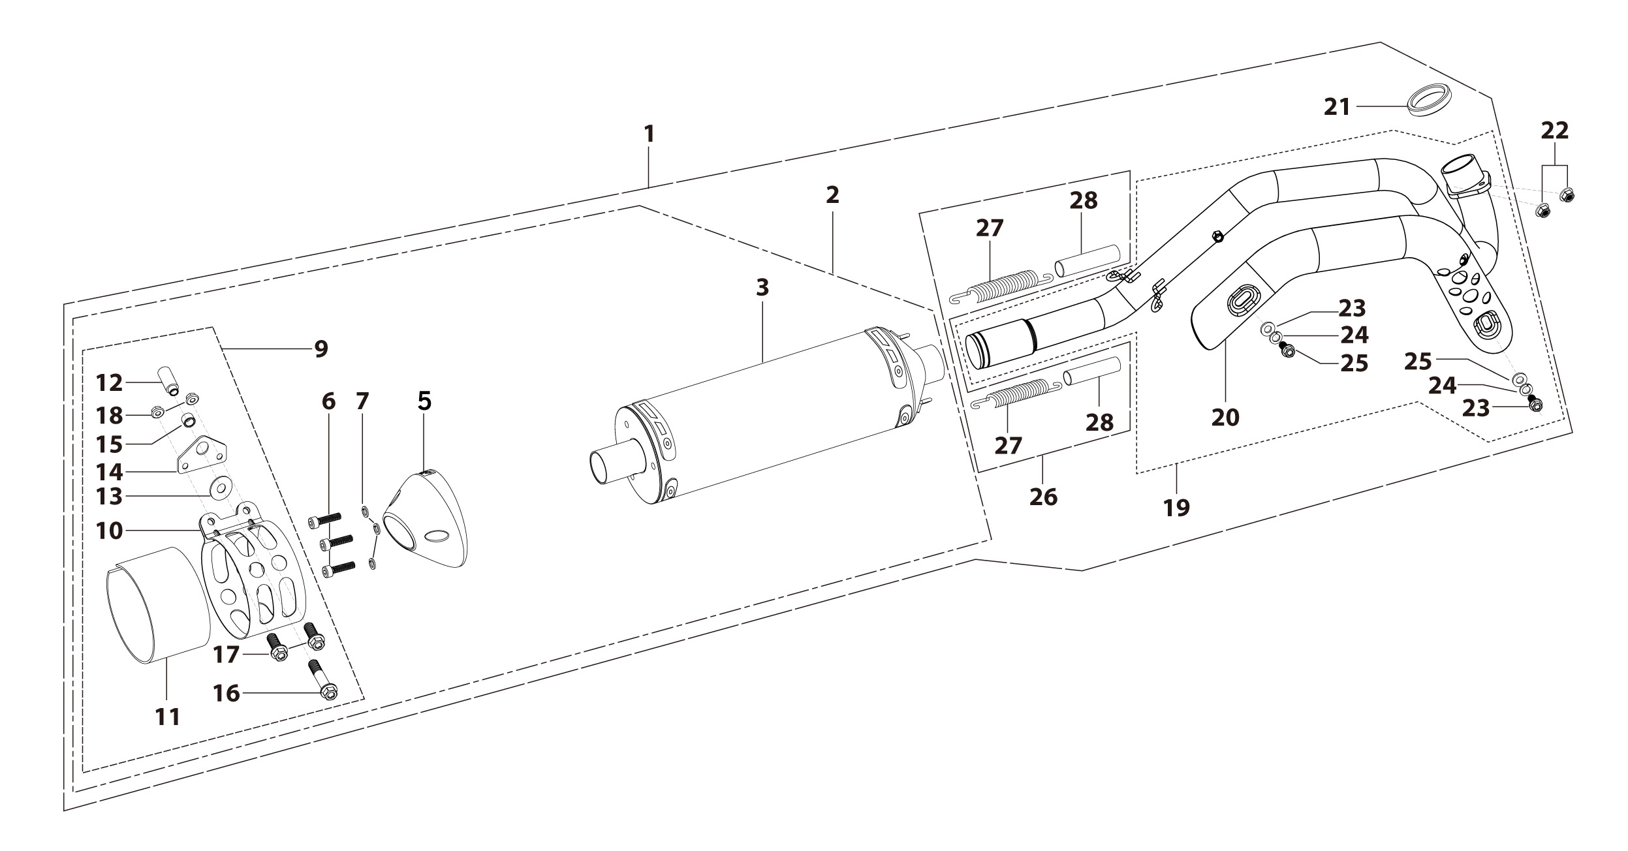
N° | Ref. | Description | Français | Picture | Qty/Bike | Rep. Pst.
1 | YC110-140-0101-GY | Muffler& Exhaust pipe assy RACING BIGYsingle Muffler Logo+NK 2025 Grey | Echapement Racing Complet YCF RACING BIGY Simple Logo+NK 2025 Gris |  | 1
2 | YC110-13014-04-GY | Muffler RACING (2 springs) Logo+NK 2025 Grey | silencieux YCF SP3 RACING Logo+NK 2025 Dris |  | 1
5 | YC110-13-35 | Muffler end cap SPII | Embout silencieux racing SPII |  | 1
6 | GB70-M5x18-W | HEXAGON SOCKET Head Bolt,steel, M5x18mm | Vis Allen (BTR),acier, M5x18mm |  | 3
7 | GB93-d5 | Spring Lock Washers d5mm inox | Rondelle a ressort d5mm inox |  | 3
9 | YC110-1307-03 | Hoop for muffler YCF SPII/SPIII （with FB13-8x14x35-W 1EA+GB5787-M8x60-W 1EA） | Attache silencieux YCF SPII/SPIII 2015 (DROIT) |  | 1
16 | BT08-M8x60-B-W | HEXAGON Torx screw with Flange M8x60mm half thread | Vis HEXAGONALE Torx avec Flange M8x60mm VIS FILETAGE PARTIEL |  | 1
17 | BT08-M6x16-W | HEXAGON Torx screw with Flange M6x16mm | Vis HEXAGONALE Torx avec Flange M6x16mm |  | 2
18 | GB6177-M6-W | HEXAGON FLAT FLANGE NUT M6 steel | Ecrou HEXAGONAL avec Flange M6 acier |  | 2
19 | YC110-1302-34 | Exhaust pipe with protection plate d28/32mm SP 2022 | collecteur avec plaque d28/32mm SP 2022 |  | 1
20 | YC110-1312-10 | Exhaust pipe with protection plate d28/32mm SP 2022 | collecteur avec plaque d28/32mm SP 2022 |  | 1
21 | 18291/152FMH | Exhaust pipe washer d33mmxd24.5mmx5mm | joint pot d33mmxd24.5mmx5mm |  | 1
22 | GB6187-M6-W | HEXAGON FLAT FLANGE LOCK NUT M6 | Ecrou HEXAGONAL avec Flange autobloquant M6 |  | 2
23 | BT08-M6x10-W | HEXAGON Torx screw with Flange M6x10mm | Vis HEXAGONALE Torx avec Flange M6x10mm |  | 2
24 | GB93-d6 | Spring Lock Washers d6mm inox | Rondelle a ressort d6mm inox |  | 2
25 | GB97-d6-W | Flat washer,steel d6mm | Rondelle plate,acier d6mm |  | 2
26 | YC110-13-21 | Muffler spring L=50mm with rubber L=75mm | Ressort pot L=50mm avec le caoutchouc pour silencieux L=75mm |  | 2
Seat & Plastic kit |  |  |  |  |  | AB
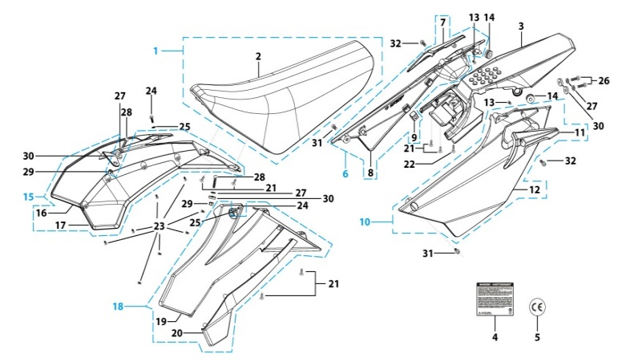
N° | Ref. | Description | Français | Picture | Qty/Bike | Rep. Pst.
1 | YC110-1401-17 | YCF Seat assy L=510mm | Sells SP L=510mm |  | 1
2 | YC110-1414-02 | YCF SP seat cover | Housse selle YCF SP |  | 1
3 | YC110-14-018-WH | YCF Rear fender 2016 WHITE with YC110-1404-01 2EA | Garde boue arrière YCF 2016 avec Picots BLANC |  | 1
6 | YC110-14-028-WH | YCF right side plastic assy 2025 WHITE | Plaque latérale droite YCF 2025 BLANC |  | 1
7 | YC110-1428-01-BK | Handrail of right side plastic 2016 Black | Poignee droite plaques laterales FACTORY 2016 Noir |  | 1
9 | YC110-14-03 | Cushion for right side plastic Black | caoutchouc plaque laterale droite Noir |  | 1
10 | YC110-14-048-WH | YCF left side plastic assy 2025 WHITE | Plaque laterale gauche YCF 2025 BLANC |  | 1
11 | YC110-1429-01-BK | Handrail of left side plastic 2016 Black | Poignee gauche plaques laterales FACTORY 2016 Noir |  | 1
13 | GB819-M5x10-W | Countersunk cross head machine screw,steel, M5x10mm | Vis à tête fraisée plate cruciforme,acier, M5x10mm |  | 2
...
N° | Ref. | Description | Français | Picture | Qty/Bike | Rep. Pst.
24 | FB5787-M5x12-W | hex.Bolt with flanged M5x12mm | Vis M5x12mm |  | 2
25 | GB96-d6-W | Flat washer,steel d6mm | Rondelle plate,acier d6mm |  | 2
26 | BT08-M6x20-W | HEXAGON Torx screw with Flange M6x20mm | Vis HEXAGONALE Torx avec Flange M6x20mm |  | 2
27 | GB96-d6-W | Flat washer,steel d6mm | Rondelle plate,acier d6mm |  | 4
28 | BT08-M6x25-W | HEXAGON Torx screw with Flange M6x25mm | Vis HEXAGONALE Torx avec Flange M6x25mm |  | 2
29 | GB6177-M6-W | HEXAGON FLAT FLANGE NUT M6 steel | Ecrou HEXAGONAL avec Flange M6 acier |  | 2
30 | YC110-03-01 | Rubber washer d6mmxd18mmx4mm for seat fixation on subframe | joint caoutchouc d6mmxd18mmx4mm pour fixation selie sur boucle acier |  | 4
31 | BT08-M6x16-W | HEXAGON Torx screw with Flange M6x16mm | Vis HEXAGONALE Torx avec Flange M6x16mm |  | 2
32 | BT08-M6x12-W | HEXAGON Torx screw with Flange M6x12mm | Vis HEXAGONALE Torx avec Flange M6x12mm |  | 2
ELECTRIC |  |  |  |  |  | AB
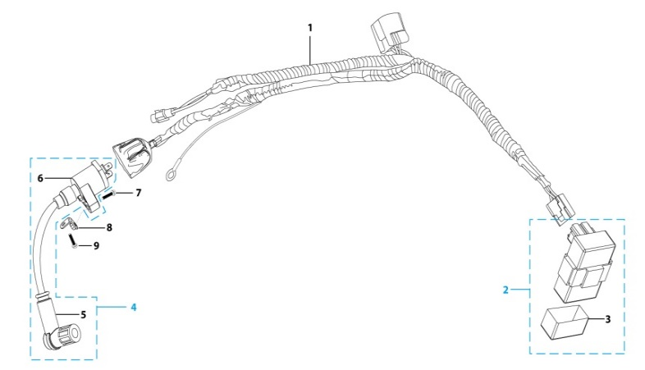
N° | Ref. | Description | Français | Picture | Qty/Bike | Rep. Pst.
1 | YC110-1501-21 | Wire harness 2020 (all kick start 2020) | Faisceaux éléctrique 2020 (toutes motos demareur kick 2020) |  | 1
2 | YC110-1503 | CDI Ignitor assy. | CDI Ignitor assy. |  | 1
4 | YC110-1504-02 | Ignitor coil L=240mm | bobine haute tension L=240mm |  | 1
5 | YC110-1505 | anti interference red | anti parasite rouge |  | 1
6 | YC110-1504 | Ignitor coil | bobine haute tension (sans anti parasite) |  | 1
7 | BT08-M6x20-W | HEXAGON Torx screw with Flange M6x20mm | Vis HEXAGONALE Torx avec Flange M6x20mm |  | 1
8 | YC110-1506 | The Ignitor coil stents L=23mm H=17mm Black | Support Bobine Haute tension L=23mm H=17mm Noir |  | 1
9 | BT08-M6x16-W | HEXAGON Torx screw with Flange M6x16mm | Vis HEXAGONALE Torx avec Flange M6x16mm |  | 1
Frame |  |  |  |  |  | AB
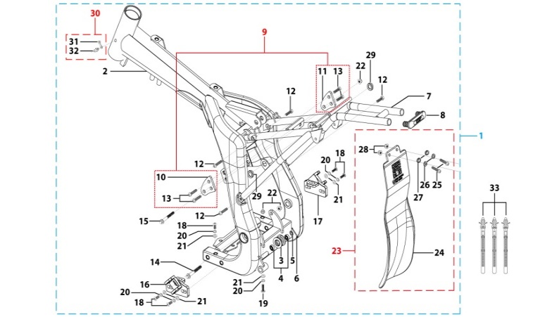
N° | Ref. | Description | Français | Picture | Qty/Bike | Rep. Pst.
1 | YC110-171-0301-BK | complète frame SPII 2020 Black | cadre complet SPII 2020 Noir |  | 1
2 | YC110-181-0501-BK | Chromoly steel frame body SPI / SPII / SPIII 2020 Black 22 degrees | Cadre acier chromoly SPI / SPII / SPIII 2020 Noir 22 degres |  | 1
3 | YC110-2201-02 | YCF Chain tensioner component Nylon 2020 | Roulette chaine YCF 2020 Nylon |  | 1
5 | GB97-d10-W | Flat washer,steel d10mm | Rondelle plate,acier d10mm |  | 1
6 | GB91-d2x25-W | Split pin d2.0mmx25mm | Goupille d2.0mmx25mm |  | 1
7 | YC110-1614-15-BK | STEEL Subframe part SP1/SP2 Black with YC110-1404-01 2EA | Boucle arriere de cadre ACIER SP1/SP2 Noir |  | 1
8 | YC110-1633-0201 | Rubber plug for SUBFRAME part START | Embout Caoutchouc YCF boucle arriere START |  | 1
9 | YC110-16-066-BK | set of engine pads Black SPI/SPII/SPIII | jeu de patte de cadre Noir SPI/SPII/SPIII |  | 1
10 | YC110-16-033-BK | frame engine pads left SPI/SPII/SPIII Black | patte de cadre gauche SPI/SPII/SPIII NoirE |  | 1
...
N° | Ref. | Description | Français | Picture | Qty/Bike | Rep. Pst.
22 | GB6187-M8-W | HEXAGON FLAT FLANGE LOCK NUT M8 | Ecrou HEXAGONAL avec Flange autobloquant M8 |  | 3
23 | YC110-0460-01 | Complete Rear shock absorber rubber protection | Bavette caoutchouc Complete |  | 1
25 | BT08-M6x20-W | HEXAGON Torx screw with Flange M6x20mm | Vis HEXAGONALE Torx avec Flange M6x20mm |  | 2
26 | GB96-d6-W | Flat washer,steel d6mm | Rondelle plate,acier d6mm |  | 2
27 | YC110-03-01 | Rubber washer d6mmxd18mmx4mm for seat fixation on subframe | joint caoutchouc d6mmxd18mmx4mm pour fixation selie sur boucle acier |  | 2
28 | GB6183-M8-Cr | Flanged nylon lock nut M8 Blue nylon chrome plated | Nylon de verrouillage en flange M8 Nylon Bleu Nylon |  | 2
29 | YC110-1404-01 | Rubber plug Hoop for muffler d8.2mmxd20.2mmx9mm Black | caoutchouc plaque laterale d8.2mmxd20.2mmx9mm Noir |  | 2
30 | YC110-1635 | Complete grease nozzle | Buse à graisse complète |  | 1
33 | YC110-01-08-BK | Cable tie, PA66 L=80mm ADJUSTABLE Black | Collier maintien cable,PA66 L=80mm ADJUSTABLE Noir |  | 3
FRONT SPROCKET PROTECTION |  |  |  |  |  | AB
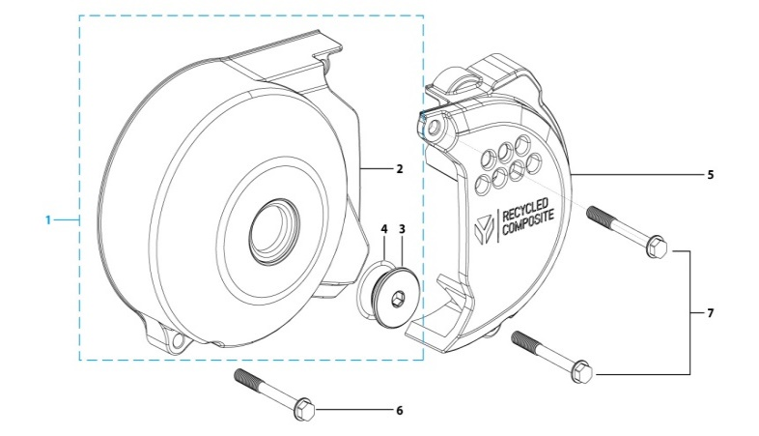
N° | Ref. | Description | Français | Picture | Qty/Bike | Rep. Pst.
1 | YC110-2004-01-GY | Complete YCF Crankcase Cover, LH for kick start engine GREY | CARTER ALLUMAGE complet YCF pour moteur demarage avec kick GRIS |  | 1
3 | YC110-2014-01-BK | YCF Aluminium Cap Big View Hole BLACK | Bouchon carter allumage CNC YCF NOIR |  | 1
4 | YC110-2019 | O-Ring d22x1.9 | Joint toriqued22x1.9 |  | 1
5 | YC110-1803-02-BK | YCF BI-MATERIEL Front Sprocket plastic cover for kick start engine | Protection COMPOSITE YCF PSB pour moteur demarage avec kick |  | 1
6 | GB5787-M6x40-Cr | HEXAGON screw with Flange M6x40mm Cr | Vis HEXAGONALE avec Flange M6x40mm Cr |  | 1
7 | GB5787-M6x25-Cr | HEXAGON screw with Flange M6x25mm Cr | Vis HEXAGONALE avec Flange M6x25mm Cr |  | 2
GRAPHICS |  |  |  |  |  | AB
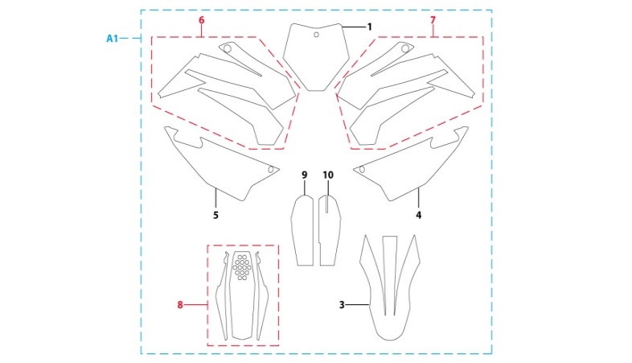
N° | Ref. | Description | Français | Picture | Qty/Bike | Rep. Pst.
A1 | KD-25-SP2-150-STD | SP2 complete graphic kit 2025 | Kit deco complet SP2 2025 |  | 1
ENGINES |  |  |  |  |  | AB
N° | Ref. | Description | Français | Picture | Qty/Bike | Rep. Pst.
1 | MOTEUR150-01 | ENGINE 150-2 YX 2013 | M0TEUR YX DTE150 2013 |  | 1
2 | YC110-27400-01 | STEEL KICK YCF 2025 BIG HOLE | KICK ACIER 2025 GROS DIAMETRE SILVER |  | 1
3 | BT08-M8x25-W | HEXAGON Torx screw with Flange M8x25mm | Vis HEXAGONALE Torx avec Flange M8x25mm |  | 1
4 | 24700/152FMH/03 | Gearshift Pedal | SELECTEUR |  | 1
5 | BT08-M6x20-W | HEXAGON Torx screw with Flange M6x20mm | Vis HEXAGONALE Torx avec Flange M6x20mm |  | 1
CARTONS - CAISSES MOTOS |  |  |  |  |  | AB
...

